Instructions
Created By: | Marketing Calendar

How to use this template:
 | 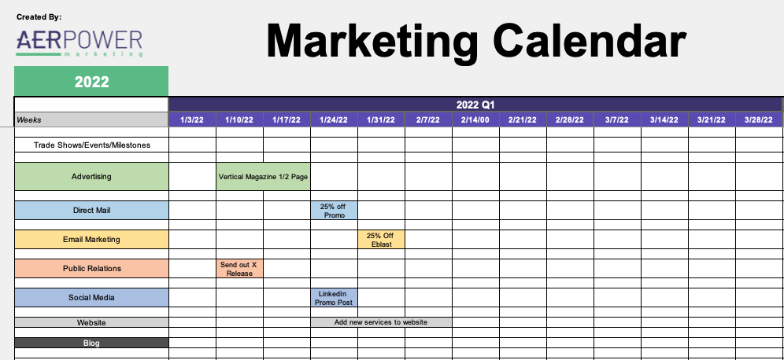 A marketing calendar is a tool for planning and organizing all of your marketing tactics. It is a roadmap that your entire team can reference and it answers questions like "what marketing projects are we working on?" and "when are they due?". To use this template follow these steps: 1) Enter all major Trade Shows, Events, and Milestones in Row 7. This will help guide any marketing tactics that are associated with those events. 2) Review and complete column B. What channels are you using as part of your marketing strategy? 3) After all Categoriesare populated, start planning out when each tactic needs to get started. We recommend you first figure out when each tactic needs to be completed and then work backwards to find the "start" date. We have include this screenshot as an example as well. Of course if you have any questions or would like AERPOWER to review your plan, please don't hesitate to contact us! Happy Planning!

